Timeline
Sun | Mon | Tue | Wed | Thu | Fri | Sat
September
 |  |  | 6 | 7 | 8 | 16
 |  |  |  |  |  | Discovery and Exploration for problem and Solution

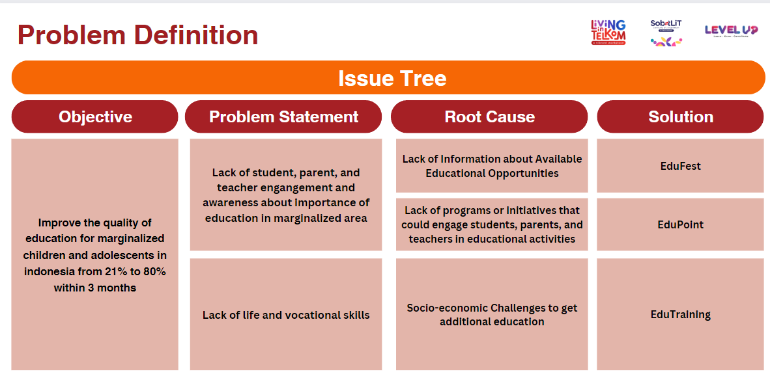
17 | 18 | 19 | 20 | 21 | 22 | 23
Discovery and Exploration for problem and Solution | Problem Statement + Solution Brainstorming | Data gathering by DSA | User Insight & User Persona | PRD & Solution | Use case diagram and use case spesification | Pitching
 | # Problem Statement + Solution (Bisa bentuk Docs atau PPT) -> DITARUH DI DAFTAR LINK PENTING YA GES YA #DEADLINE Senin , 18 september 2023 jam 09:00 WIB !!! # CONTOHNYA KAYA GAMBAR DIBAWAH YA GES | #DSA DEADLINE (21:00 WIB) -> Udah nyerahin deliverables (Visualisasi data / Deskripsi) | #Deadline DSA ( 12:00 WIB) Worst Case #Deadline UXA (23:59 WIB) BEst Case -> User Persona & Research Document | #Deadline UXA (12:00 WIB) #Deadline PMA (23:59 WIB) Best Case -> PRD | #Deadline PMA (12:00 WIB) Worst Case # Deadline SEA (23:59 WIB) Best Case -> USe Case Diagram | #DEADLINE SEA (06:59 WIB) Worst Case -> USe Case Diagram

